Dashboard
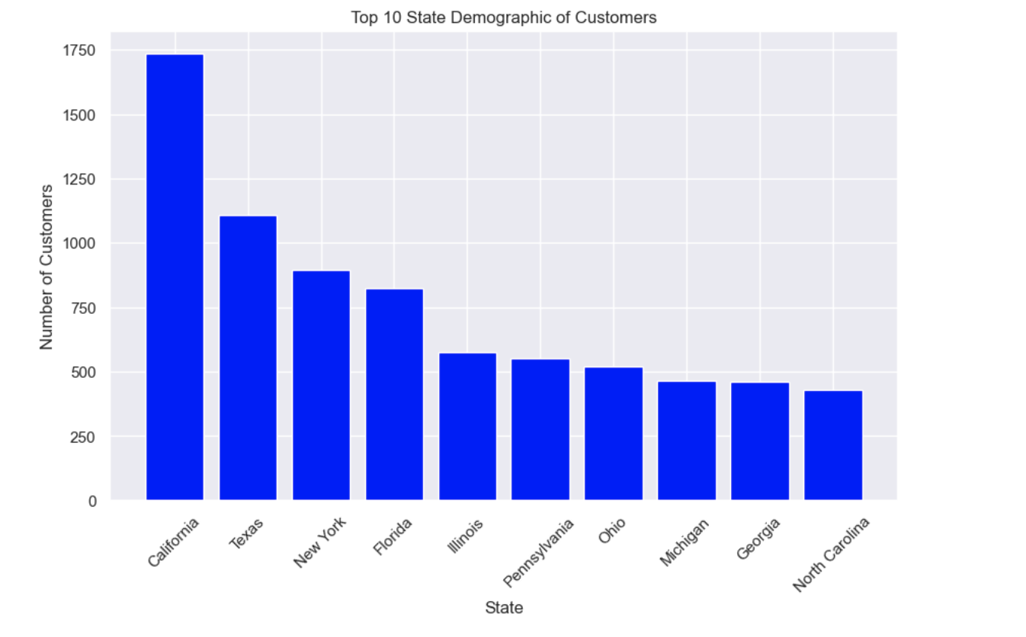
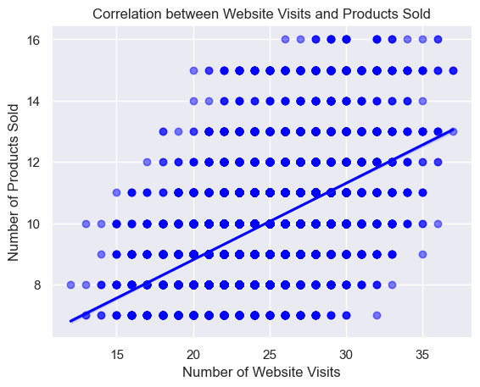
Caliber Supplies Sales Analysis Dashboard 2023 (Over 6 Weeks)

NUMBER OF CUSTOMERS
TOTAL REVENUE
NUMBER OF ITEMS SOLD
AVG ITEMS SOLD PER SALE
AVG REVENUE PER SALE
TOP SALES METHOD BY REVENUE AVERAGE

13,926
$1,308,136
139,798
10
$109
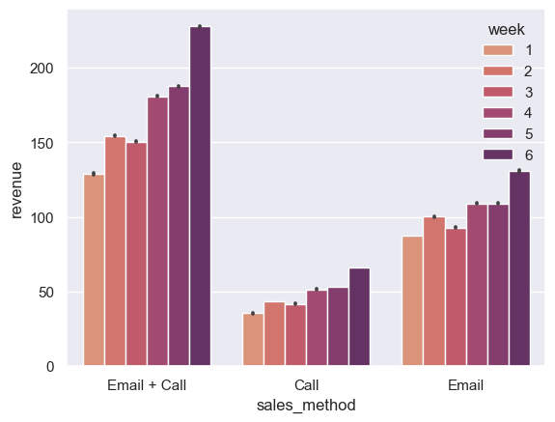

EMAIL SALES
CALL SALES
EMAIL + CALL SALES
NUMBER OF CALLS

6,922
4,781
2,223
7,004

CUSTOMER COUNT BY SALES METHOD
TOTAL REVENUE BY SALES METHOD
PERCENTAGE OF SALES BY METHOD

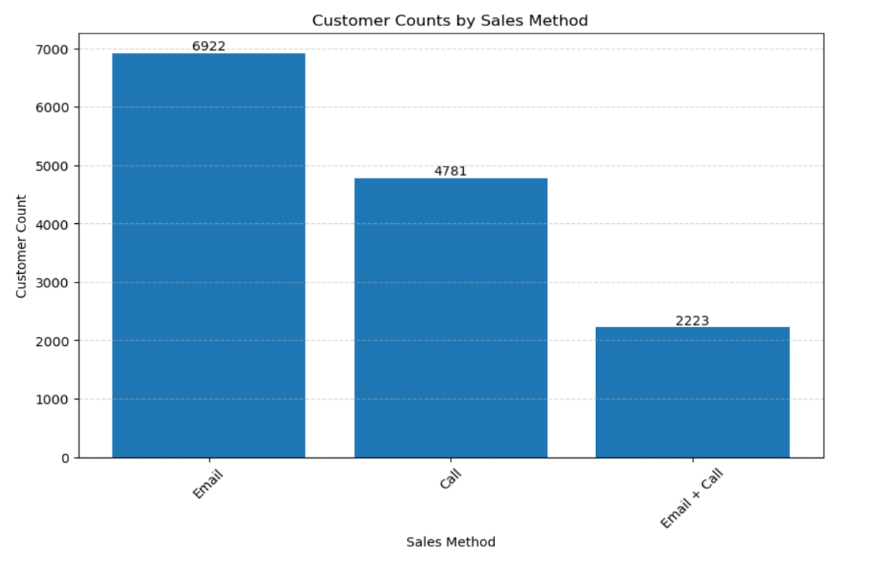

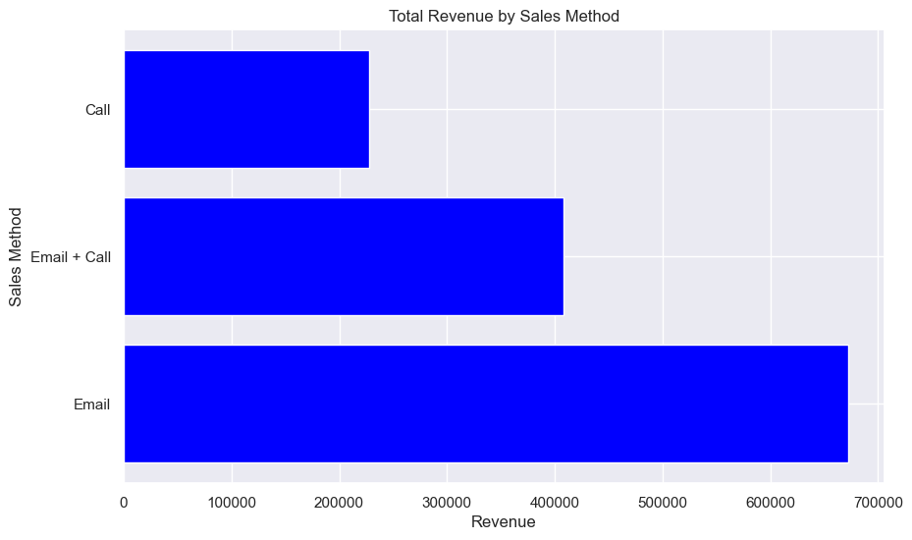
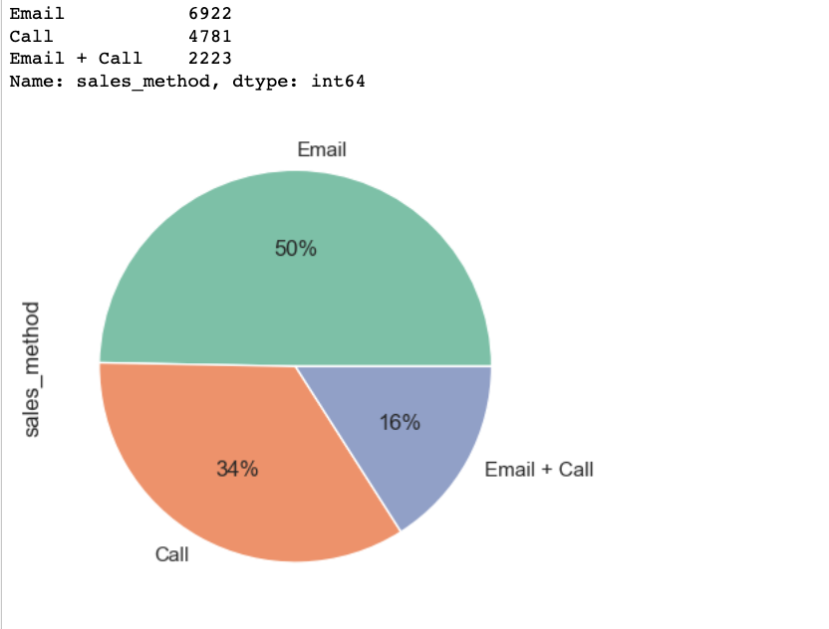

TOTAL REVENUE OVER TIME
SPREAD OF REVENUE BY METHOD

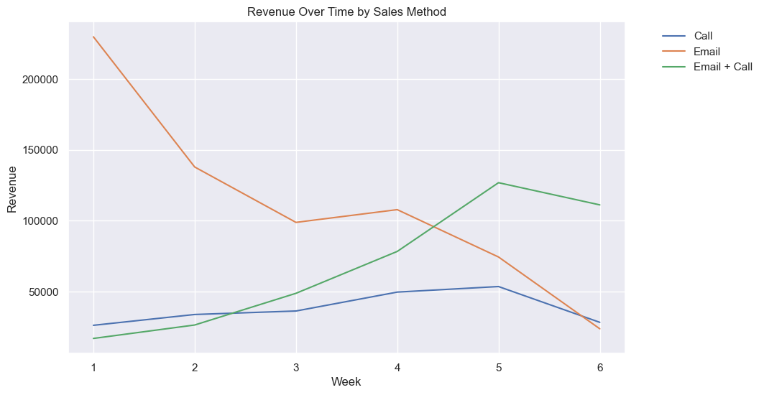
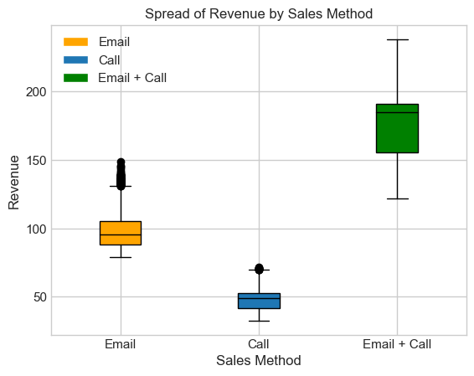

BEST SELLING STATES
WEBSITE VISITS VS PRODUCTS SOLD

